Sheet1
Functionality
 |  |  |  |  |  |  |  | click here
 | inline bmp
 |  |  |  |  |  |  |  |  |  | Function:
 |  |  |  |  |  |  |  |  |  | 1
 |  |  |  |  |  |  |  |  |  | 2
 |  |  |  |  |  |  |  |  |  | 3
 |  |  |  |  |  |  |  |  | Sum: | 6 | Red
 |  |  |  |  |  |  |  |  | Average: | 2 | Yellow
 | inline gif |  |  |  | ` |  | Arial 20
 |  |  | inline jpeg

 |  |  |  |  |  |  | Calibri 30

 |  | inline png
 |  |  |  |  |  | embedded PDF
 |  |  |  | inline tif
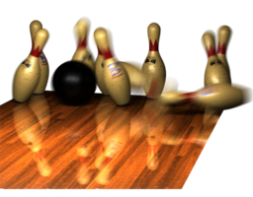

inilne emf

